EDA
Data Info
 | Recording | 记录006
 | Subject | 張紫婷
 | Create Time | 2024-07-09 09:45:22.251
 | Data Name | Finger8 EDA
 | Data Type | EDA
 | Sample Rate | 64
 | Segment | 后静息态
 | Start Time | 0:57:48
 | End Time | 1:02:48
 | Duration | 0:05:00

Replay Chart
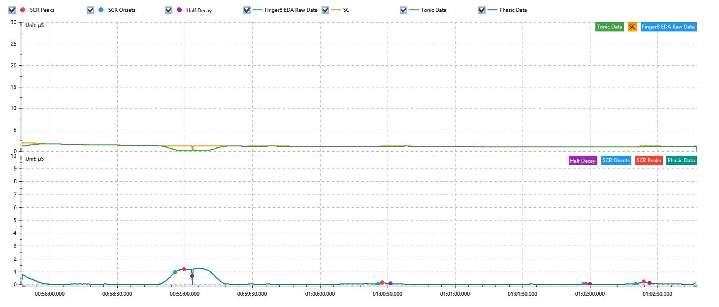

Process parameters
 | Filters
 | Smooth denoise | Enabled | 高斯 | 5(samples)
 | Lowpass filter | Enabled | 5μS
 | Skin Conductance Response
 | SCR extraction | Minimum SCR amplitude | 0.03μS
 | SCR extraction | Max rise time | 4s
 | SCR extraction | Max half decay time | 4s
 | SCR extraction | Peak dection sensitivity | 中
 | Event related activation | Window relative to event | 1s | 4s

Time Domain
 | Data | Mean | Max | Min | Std | Variance | Polar Distance | Data Length
 | SC | 1.23μS | 2.05μS | 0.07μS | 0.21μS | 0.04μS² | 1.98μS | 1200
 | Tonic | 1.12μS | 1.72μS | 0.07μS | 0.31μS | 0.1μS² | 1.66μS | 1200
 | Phasic | 0.11μS | 1.24μS | 0μS | 0.28μS | 0.08μS² | 1.24μS | 1200

SCR
 | OnsetTime | PeakTime | RiseTime | HalfDecayTime | Amp
 | 0.040924247685 | 0.040970543981 | 4s | 3.5s | 0.22μS
 | 0.041965914352 | 0.041986168981 | 1.75s | 3.75s | 0.12μS
 | 0.043022048611 | 0.043033622685 | 1s | 1.75s | 0.03μS
 | 0.043291145833 | 0.043331655093 | 3.5s | 2.5s | 0.2μS

Event Related
 | Event Group | Event Name | Event Description | EventTime | SCRCount | Latency | AmpSum | SCL | Half Decay Time Avg. | Rise Decay Time Avg.
 | Custom | 后静息态采集开始 |  | 0.040134199774 | 0 | 0s | 0μS | 1.37μS | 0s | 0s

